Sheet1
 |  | Document No. | Issue No. | Issue Date |  | Review and Replace Date |  | Authorised By
 |  | GFF300MC | 2 | 02.08.2021 |  | 13.10.2021
 |  | Document Title | MOROCCAN CHICKPEA TAGINE 400G
 |  | New product created with new weight |  |  | Page |  | 1 of 1 | Magda Shah
Document amendments reason for change |  |  |  |  | Previous Issue Date |  | 02.08.2021 | Uncontrolled copy unless signed original

FVHTBQ1-R8TMC | MINDFUL CHEF |  | MOROCCAN CHICKPEA TAGINE WITH TRICOLOUR QUINOA 400G | FROZEN
STEP 1 |  |  |  |  | STEP 2
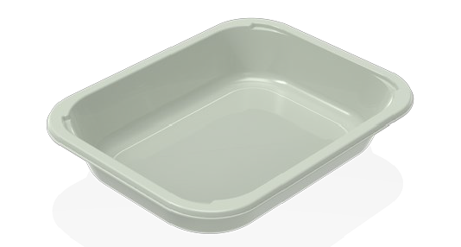 |  |  |  |  | 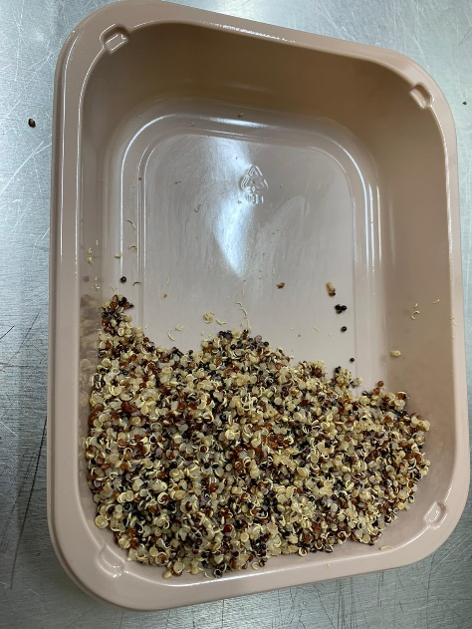

PACK DAY + 1 YEAR
NON-MAP Pack

Tray: EVOLVE CPET 2200-1E FROST (PKRHP001-15) |  |  |  |  | Tricolor Quinoa (MC)(GFF262R): 100g
Film: K-Peel 75G + AF 25 250mm (PKKMP001-01)
STEP 3 |  |  |  |  | STEP 4
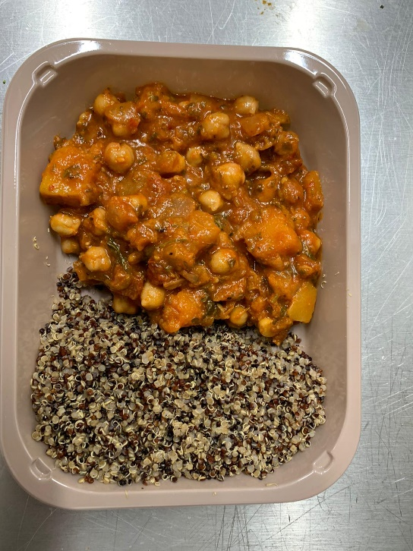 |  |  |  |  | 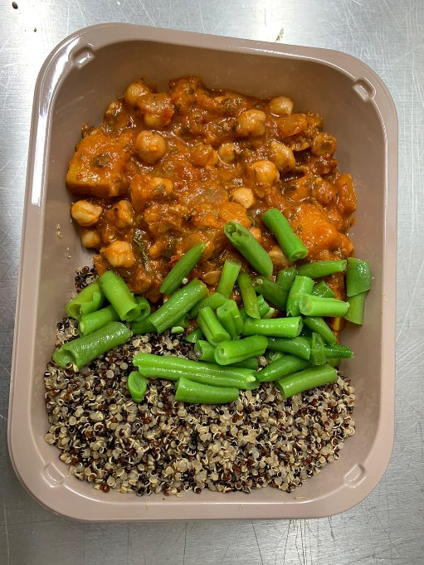

Chickpea Tagine Sauce (MC) (GFF390R): 260g |  |  |  |  | Steamed Green Beans(GFF204R) :40g |  |  | TOTAL WEIGHT: 400g

ALLERGY ALERT: none

